Sheet1
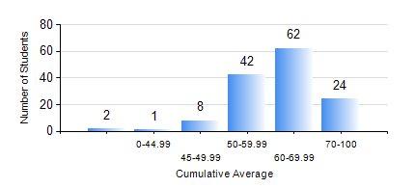
 |  |  | KWAME NKRUMAH UNIVERSITY OF SCIENCE AND TECHNOLOGY, KUMASI Department of Materials Engineering

 |  |  | BSC. MATERIALS ENG.

 |  |  | COMPREHENSIVE RECORD OF EXAMINATION RESULTS

 |  |  | RESULTS OF YEAR 4 SECOND SEMESTER, 2023/2024 ACADEMIC YEAR

 | Sn | Course Code |  | Course Name | Credit Hours | Min. Mark | Max. Mark | Avg. Mark | Std. Dev. | No. Passed | No. Trailed | No. (Df) | No. (I) | No. (I*) | No. Tagged(I,I*,Df) | Total
 | 1. | ME 492 |  | MANAGEMENT AND ENTREPRENEURSHIP DEVELOPMENT | 2 | 40 | 78 | 60 | 7.66 | 139 | 0 | 0 | 0 | 0 | 0 | 139
 | 2. | MSE 452 |  | WASTE MANAGEMENT | 3 | 49 | 91 | 76 | 9.64 | 138 | 0 | 0 | 1 | 0 | 1 | 139
 | 3. | MSE 454 |  | SURFACE TREATMENT OF MATERIALS | 3 | 40 | 97 | 67 | 12.23 | 136 | 0 | 0 | 3 | 0 | 3 | 139
 | 4. | MSE 456 |  | MATERIALS QUALITY CONTROL, ASSURRANCE AND SELECTION | 3 | 44 | 80 | 65 | 7.15 | 139 | 0 | 0 | 0 | 0 | 0 | 139
 | 5. | MSE 458 |  | PROCESS DYNAMICS AND CONTROL | 4 | 33 | 89 | 62 | 11.19 | 135 | 1 | 0 | 3 | 0 | 3 | 139
 | 6. | MSE 498 |  | FINAL YEAR PROJECT-THESIS PHASE | 4 | 48 | 88 | 76 | 6.96 | 139 | 0 | 0 | 0 | 0 | 0 | 139

